HKBA075-009
SKU | RATING | 2022-07-08 | 2022-07-09 | 2022-07-10 | 2022-07-11 | 2022-07-12 | 2022-07-13 | 2022-07-14 | 2022-07-15 | 2022-07-16 | 2022-07-17 | 2022-07-18 | 2022-07-19 | 2022-07-20
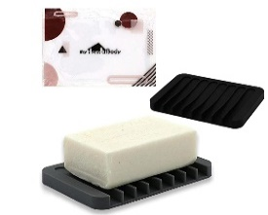 HKBA075-009 | 1 | 1 | 1 | 1 | 1
 | 2 | 1 | 1 | 1 | 1
 | 3 | 11 | 11 | 11 | 11
 | 4 | 27 | 27 | 28 | 28
 | 5 | 126 | 126 | 128 | 128
 | Total Rating | 166 | 166 | 169 | 169
 | Average Rating | 4.663 | 4.663 | 4.663 | 4.663

